Expansion Joint
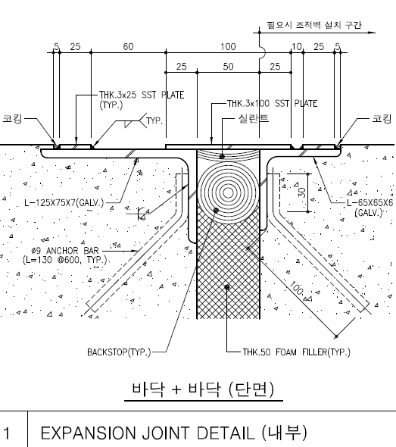
EJ for Wall | Total | 87
 | 낮은 지붕쪽 | 48.6
 |  |  | 16.2 | 그리드 7,F
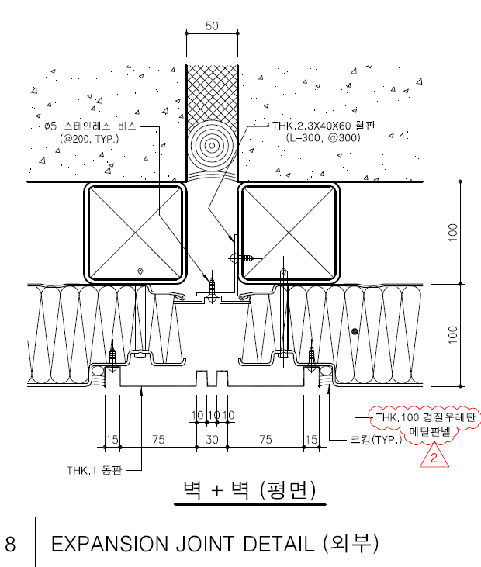
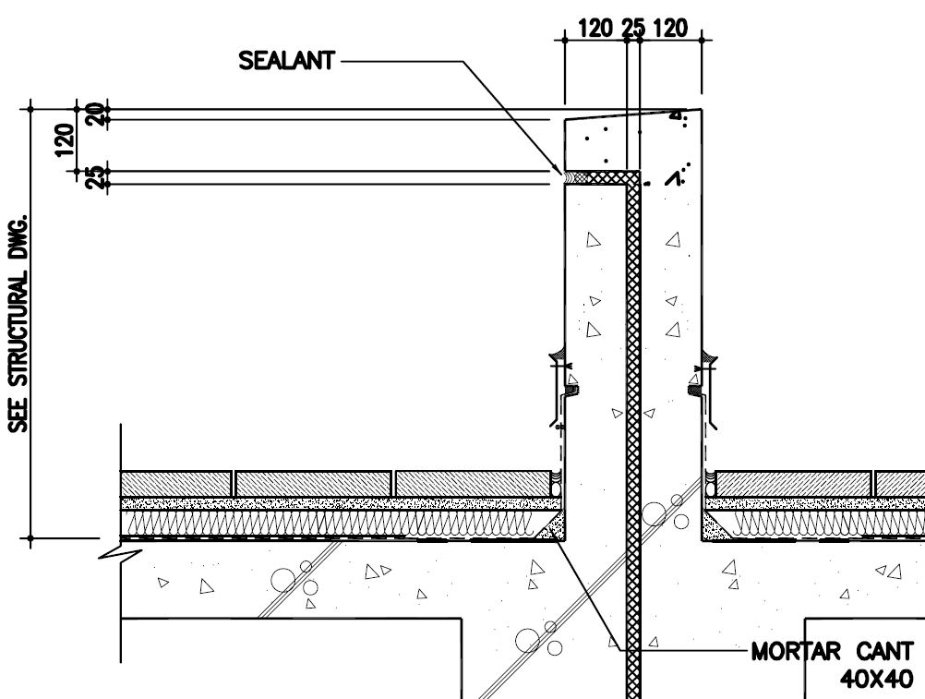
 |  |  | 16.2 | 그리드 7,K
 |  |  | 16.2 | 그리드 15,K

 | 높은 지붕쪽 | 38.4
 |  |  | 19.2 | 그리드 24,F
 |  |  | 19.2 | 그리드 18,A

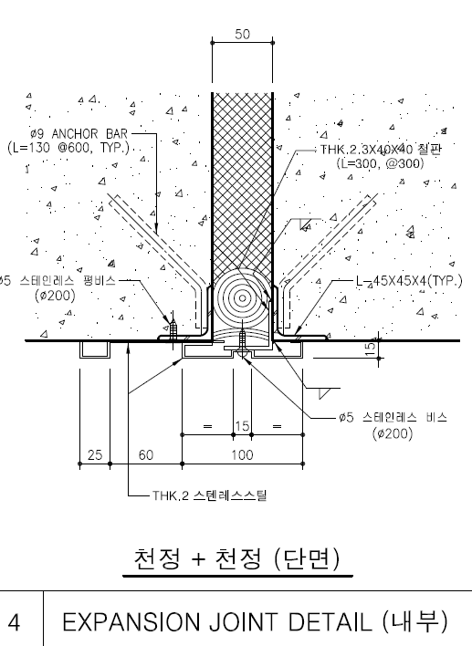

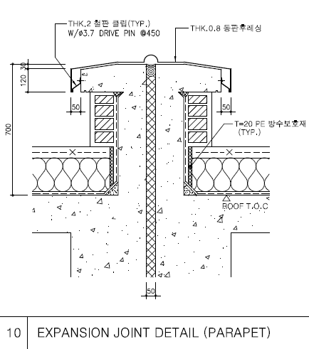
EJ for Parapet | Total | 12
 | 낮은 지붕쪽 | 4.8
 |  |  | 2.4 | 서측
 |  |  | 2.4 | 남측

 | 높은 지붕쪽 | 7.2
 |  |  | 2.4 | 남측
 |  |  | 2.4 | 동측
 |  |  | 2.4 | 북측

EJ for int Wall | Total | 994 |  |  |  | 7
 | BF | 196
 |  |  | 28

 | GF | 266
 |  |  | 1 | Grid A
 |  |  | 2 | Grid B
 |  |  | 2 | Grid C
 |  |  | 2 | Grid D | 양쪽
 |  |  | 2 | Grid E
 |  |  | 21 | Grid F
 |  |  | 2 | Grid H
 |  |  | 2 | Grid I
 |  |  | 2 | Grid J
 |  |  | 2 | Grid K

 | 1F | 266
 |  |  | 1 | Grid A
 |  |  | 2 | Grid B
 |  |  | 2 | Grid C
 |  |  | 2 | Grid D | 양쪽
 |  |  | 2 | Grid E
 |  |  | 21 | Grid F
 |  |  | 2 | Grid H
 |  |  | 2 | Grid I
 |  |  | 2 | Grid J
 |  |  | 2 | Grid K

 | 2F | 266
 |  |  | 1 | Grid A
 |  |  | 2 | Grid B
 |  |  | 2 | Grid C
 |  |  | 2 | Grid D | 양쪽
 |  |  | 2 | Grid E
 |  |  | 21 | Grid F
 |  |  | 2 | Grid H
 |  |  | 2 | Grid I
 |  |  | 2 | Grid J
 |  |  | 2 | Grid K

EJ for Floor | Total | 549
 | BF | 0

 | GF | 183
 |  |  | 39 | 그리드 18-19
 |  |  | 92 | 그리드 F-G
 |  |  | 26 | 그리드 7-8
 |  |  | 26 | 그리드 15
 | 1F | 183
 |  |  | 39 | 그리드 18-19
 |  |  | 92 | 그리드 F-G
 |  |  | 26 | 그리드 7-8
 |  |  | 26 | 그리드 15

 | 2F | 183
 |  |  | 39 | 그리드 18-19
 |  |  | 92 | 그리드 F-G
 |  |  | 26 | 그리드 7-8
 |  |  | 26 | 그리드 15

EJ for Roof | Total | 183

 | ROOF | 183
 |  |  | 39 | 그리드 18-19
 |  |  | 92 | 그리드 F-G
 |  |  | 26 | 그리드 7-8
 |  |  | 26 | 그리드 15

